Sheet1
record of data |  | Problems | Top | Bottom | right | left | close | far | numpy array of waypoints title
1 | First try, small movements. Plotting boxes with an x in them and moving away from bot. | vertical axis seems to lean forward and squares expand as moving away from central axis. Position offset incorrect on recording | 260 | 100 | 80 | -80 | 100 | 260 | path_smallXs
2 | Much more data points than 1 | Position offset incorrect on recording | 260 | 100 | 80 | -80 | 100 | 260 | path_smallXs
3 | Slightly bigger box than 1. Still plotting x box shape | Position offset incorrect on recording | 340 | 100 | 100 | -100 | 100 | 340 | path_midXs | 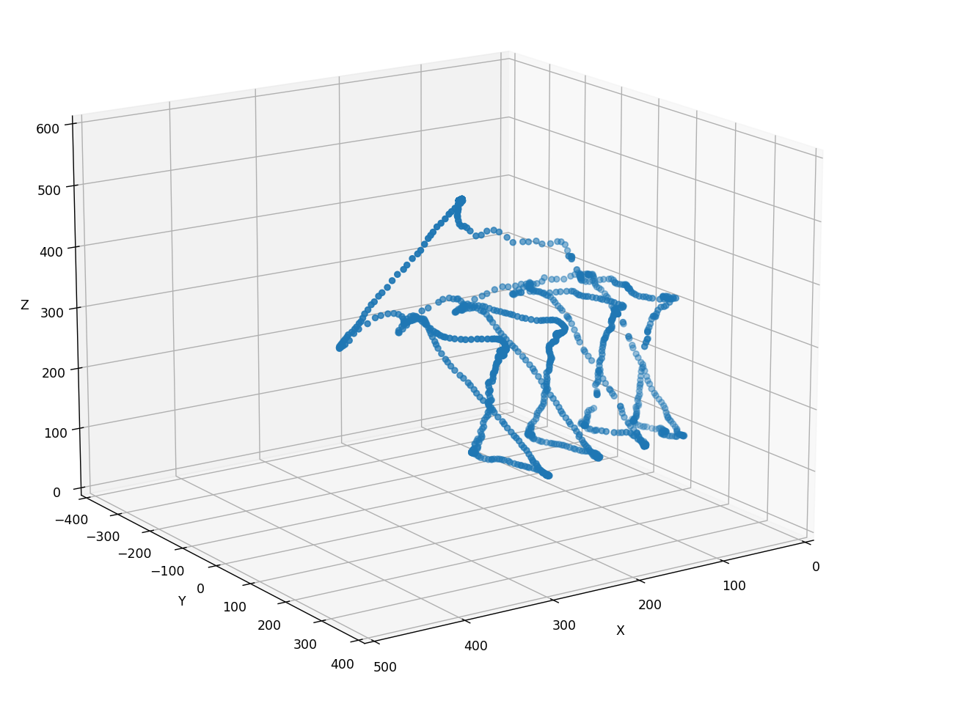
4 | Bigger box again | Same prblems as above. Fixed position offset data incorrect in recording. The start point is assumed as home (230, 500, 0) | 340 | 100 | 120 | -120 | 120 | 520 | path_bigXs | 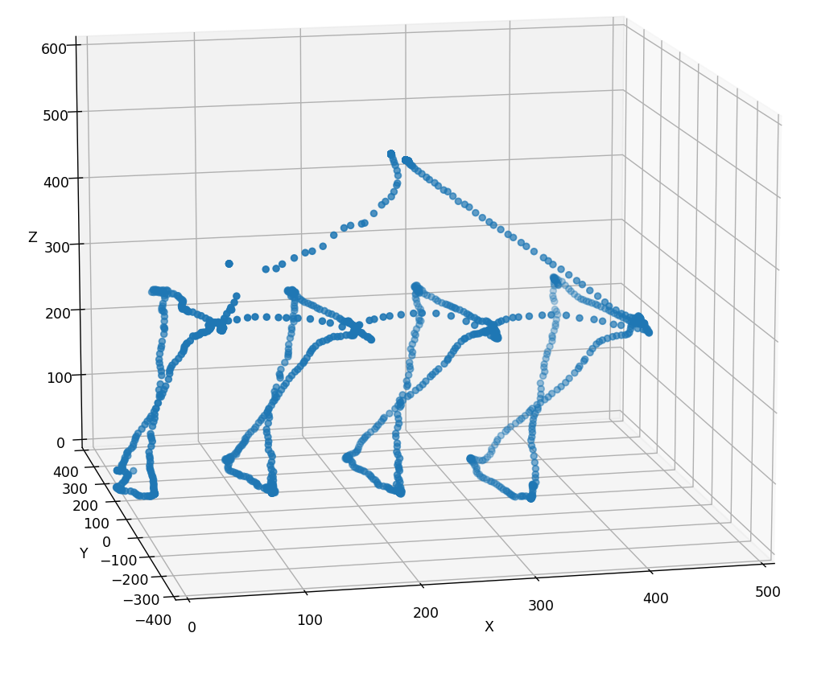
5 | zig zag chess pattern | Sagging with further distance. Home was assumed as correct | 340 | 100 | 150 | -150 | 220 | 520 | path_board | 